Wool
Fall Winter Wool

Quantity: 6,130 units

In-Warehouse: Available to Ship (OnHand Less Open Sales Orders)
Season | Style | Style Desc | Color | MSRP | 2 | 4 | 6 | 8 | 10 | 12 | 14 | # | Price
V | 350ME557 | LADIES SB COAT | BLACK/WHITE | $420.00 | 158 | 151 | 310 | 315 | 312 | 313 | 153 | 1,712 | $73.00
350ME557 Summary |  |  |  |  | 158 | 151 | 310 | 315 | 312 | 313 | 153 | 1,712
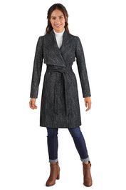

V | 350SW557 | WLBL SB COAT | BLACK | $420.00 | 1 |  | 8 | 1 | 3 |  | 48 | 61 | 93$
V | 350SW557 | WLBL SB COAT | ICE BLUE | $420.00 | 205 | 211 | 212 | 216 | 220 | 208 | 7 | 1,279
V | 350SW557 | WLBL SB COAT | MED GREY | $420.00 | 6 | 12 |  | 4 | 3 | 30 |  | 55
V | 350SW557 | WLBL SB COAT | PETROLEUM | $420.00 | 52 | 55 | 35 | 50 | 33 | 41 |  | 266
V | 350SW557 | WLBL SB COAT | BONE | $420.00 |  | 26 | 66 | 89 | 99 | 110 | 6 | 396
V | 350SW557 | WLBL SB COAT | DUSTY ROSE | $420.00 |  | 6 | 7 | 25 | 52 | 66 | 1 | 157
350SW557 Summary |  |  |  |  | 264 | 310 | 328 | 385 | 410 | 455 | 62 | 2,214
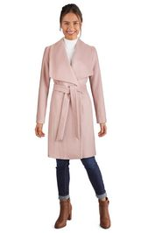

V | 356SH202 | WM WLBL JKT | LT. PINK | $400.00 | 1 | 3 | 1 | 2 | 2 | 3 | 1 | 13 | 73$
356SH202 Summary |  |  |  |  | 1 | 3 | 1 | 2 | 2 | 3 | 1 | 13
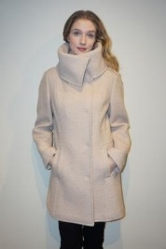

V | 355SW895 | WM WLBL ZIP FRONT JK | PLATINUM | $400.00 |  | 1 | 5 | 2 | 3 | 1 |  | 12 | 73$
355SW895 Summary |  |  |  |  |  | 1 | 5 | 2 | 3 | 1 |  | 12
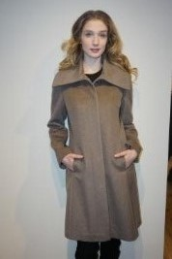

V | 356SW112 | WM WLBL BTN FRONT JK | BLACK | $400.00 | 1 | 6 | 4 |  |  |  | 1 | 12 | 73$
356SW112 Summary |  |  |  |  | 1 | 6 | 4 |  |  |  | 1 | 12


V | 357SH326 | WM WLBL COAT | BLACK | $420.00 | 2 | 2 |  | 4 | 3 | 4 | 2 | 17 | 93$
V | 357SH326 | WM WLBL COAT | OAT | $420.00 |  | 3 | 3 |  |  | 1 | 17 | 24
357SH326 Summary |  |  |  |  | 2 | 5 | 3 | 4 | 3 | 5 | 19 | 41
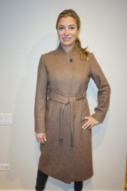

V | 357SW557 | WLBL SB COAT | BLACK | $420.00 | 42 | 22 | 17 | 11 | 42 | 49 | 11 | 194 | 93$
V | 357SW557 | WLBL SB COAT | BORDEAUX | $420.00 |  | 1 |  | 3 |  | 9 |  | 13
V | 357SW557 | WLBL SB COAT | TAUPE/SLVR | $420.00 |  | 11 | 7 | 17 | 26 | 32 |  | 93
V | 357SW557 | WLBL SB COAT | ICE BLUE | $420.00 |  |  | 135 | 106 | 216 | 173 |  | 630
357SW557 Summary |  |  |  |  | 42 | 34 | 159 | 137 | 284 | 263 | 11 | 930
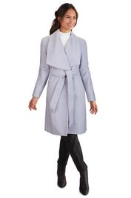

V | 358MB756 | WM WOOL COAT | MAUVE | $600.00 | 4 | 8 | 9 | 11 | 4 |  |  | 36 | 147$
358MB756 Summary |  |  |  |  | 4 | 8 | 9 | 11 | 4 |  |  | 36


V | 358MN895 | WM WLBL BTN FRONT JK | BLACK | $400.00 | 28 |  | 96 | 109 | 132 | 175 | 46 | 586 | 73$
358MN895 Summary |  |  |  |  | 28 |  | 96 | 109 | 132 | 175 | 46 | 586
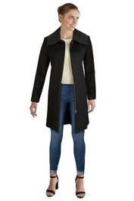

V | 359SW750 | WM WLBL ZIP FRONT JK | BLACK | $400.00 | 23 | 3 |  |  |  |  |  | 26 | 73$
V | 359SW750 | WM WLBL ZIP FRONT JK | LODEN | $400.00 | 18 | 1 |  | 7 | 4 |  | 2 | 32
359SW750 Summary |  |  |  |  | 41 | 4 |  | 7 | 4 |  | 2 | 58
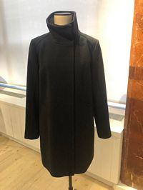

V | 359SZ720 | WLBL SB COAT | BONE | $500.00 | 12 | 9 | 3 | 2 |  | 8 | 9 | 43 | 93$
V | 359SZ720 | WLBL SB COAT | GREY | $500.00 | 4 | 2 | 2 | 1 | 1 | 4 | 1 | 15
V | 359SZ720 | WLBL SB COAT | TAUPE | $500.00 | 5 | 8 | 9 | 5 | 2 | 11 | 7 | 47
359SZ720 Summary |  |  |  |  | 21 | 19 | 14 | 8 | 3 | 23 | 17 | 105
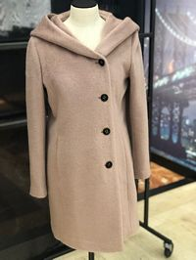

V | 355SW780 | WM WLBL BTN FRONT JK | BLACK | $400.00 |  | 2 | 6 | 13 | 11 | 4 | 2 | 38 | 73$
355SW780 Summary |  |  |  |  |  | 2 | 6 | 13 | 11 | 4 | 2 | 38
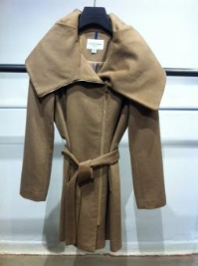

V | 356DW901 | WM SB COWL COLLAR | BLACK | $400.00 |  | 1 |  |  |  |  | 22 | 23 | 73$
356DW901 Summary |  |  |  |  |  | 1 |  |  |  |  | 22 | 23
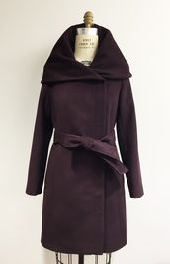

V | 350MG557 | LADIES SB COAT | BLACK | $400.00 |  |  | 15 | 9 | 26 | 36 |  | 86 | 73$
350MG557 Summary |  |  |  |  |  |  | 15 | 9 | 26 | 36 |  | 86
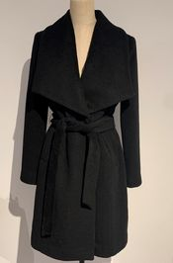 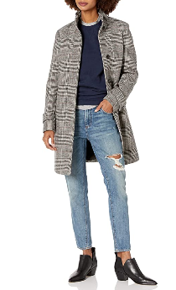

V | 359MW914 | LADIES SB STAND FLY | GLEN PLD | $500.00 |  |  | 44 | 19 |  |  |  | 63 | $128.00
359MW914 Summary |  |  |  |  |  |  | 44 | 19 |  |  |  | 63

V | 359MZ720 | WLBL SB COAT | BONE | $600.00 |  |  | 25 | 50 | 48 | 21 |  | 144 | $93.00
V | 359MZ720 | WLBL SB COAT | DUSTY PINK | $600.00 |  |  | 11 | 26 | 20 |  |  | 57 | $93.00
359MZ720 Summary |  |  |  |  |  |  | 36 | 76 | 68 | 21 |  | 201

2021-01-04 11:07:24

Cloth & Leather
Fall Winter Cloth & Leather

Quantity: 124,551 units

Season | Style | Style Desc | Color | MSRP | XXS | XS | S | M | L | XL | XXL | Summary | Price
V | 350M2015 | WM LAMB ZIP CAR COAT | BLACK | $600.00 |  | 21 | 26 | 42 | 65 | 24 |  | 178 | $140.00
350M2015 Summary |  |  |  |  |  | 21 | 26 | 42 | 65 | 24 |  | 178

V | 350M2186 | WM LAMB ZIP FRT JKT | BLACK | $500.00 |  | 21 | 18 |  | 1 |  |  | 40 | $133.00
350M2186 Summary |  |  |  |  |  | 21 | 18 |  | 1 |  |  | 40
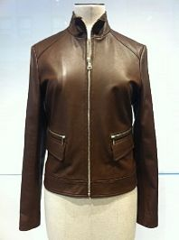 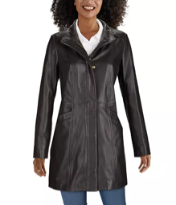

V | 350M2561 | WM LAMB ZIP FRT JK | HAZELNUT | $500.00 |  | 2 | 10 | 45 | 69 | 33 |  | 159 | 133$
V | 350M2561 | WM LAMB ZIP FRT JK | NUDE | $500.00 |  | 17 | 22 | 32 | 40 | 29 |  | 140
V | 350M2561 | WM LAMB ZIP FRT JK | NAVY | $500.00 |  | 17 | 36 | 40 | 35 | 13 |  | 141
350M2561 Summary |  |  |  |  |  | 36 | 68 | 117 | 144 | 75 |  | 440
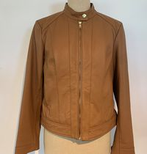

V | 350M2568 | WM LAMB ZIP FRT JK | BLACK | $500.00 |  | 8 | 18 | 18 | 27 | 20 |  | 91 | $140.00
350M2568 Summary |  |  |  |  |  | 8 | 18 | 18 | 27 | 20 |  | 91
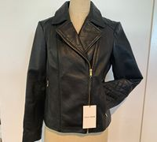

V | 359MD746 | WM DOWN ZIP FRT JKT | NAVY | $400.00 | 16 | 26 | 17 | 25 | 7 |  |  | 91 | $88.00
359MD746 Summary |  |  |  |  | 16 | 26 | 17 | 25 | 7 |  |  | 91
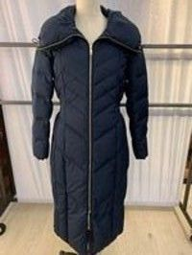

V | 350M2764 | WM LAMB ZIP FRT JK | BLACK | $500.00 |  | 81 | 108 | 135 | 163 | 140 | 56 | 683 | 133$
V | 350M2764 | WM LAMB ZIP FRT JK | EMERALD | $500.00 |  | 44 | 92 | 116 | 159 | 111 |  | 522
V | 350M2764 | WM LAMB ZIP FRT JK | NUDE | $500.00 |  | 22 | 42 | 45 | 22 | 24 | 5 | 160
V | 350M2764 | WM LAMB ZIP FRT JK | RED | $500.00 |  |  | 4 | 11 | 20 | 18 |  | 53
350M2764 Summary |  |  |  |  |  | 147 | 246 | 307 | 364 | 293 | 61 | 1,418
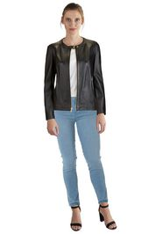

V | 350M2765 | WM LAMB ZIP FRT JK | BLACK | $500.00 |  | 6 | 8 | 9 | 9 | 6 | 5 | 43 | 133$
V | 350M2765 | WM LAMB ZIP FRT JK | HAZELNUT | $500.00 |  | 19 | 38 | 25 | 35 | 20 | 3 | 140
V | 350M2765 | WM LAMB ZIP FRT JK | NUDE | $500.00 |  | 6 | 16 | 4 | 19 | 2 |  | 47
350M2765 Summary |  |  |  |  |  | 31 | 62 | 38 | 63 | 28 | 8 | 230
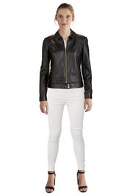

V | 350SD314 | WM DOWN ZIP FRT JKT | MERLOT | $320.00 |  | 28 | 69 | 66 | 70 | 29 |  | 262 | $73.00
350SD314 Summary |  |  |  |  |  | 28 | 69 | 66 | 70 | 29 |  | 262
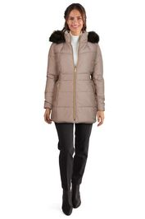

V | 350SP785 | WM POLY JACKET | BLACK | $275.00 |  | 19 | 30 | 33 | 49 | 17 |  | 148 | 60$
V | 350SP785 | WM POLY JACKET | OLIVE | $275.00 |  | 48 | 95 | 82 | 93 | 40 |  | 358
350SP785 Summary |  |  |  |  |  | 67 | 125 | 115 | 142 | 57 |  | 506
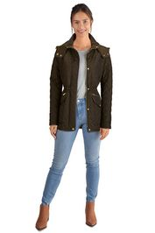

V | 356SD165 | WM DOWN ZIP FRT JKT | CARBON | $375.00 | 20 | 80 | 97 | 17 | 13 | 11 | 19 | 257 | 93$
V | 356SD165 | WM DOWN ZIP FRT JKT | CASHEW | $375.00 | 2 | 144 | 262 | 285 | 217 | 28 |  | 938
V | 356SD165 | WM DOWN ZIP FRT JKT | GRAPHITE | $375.00 |  | 127 | 186 | 127 | 127 | 9 |  | 576
V | 356SD165 | WM DOWN ZIP FRT JKT | NAVY | $375.00 |  | 1 | 8 | 4 | 7 |  | 2 | 22
V | 356SD165 | WM DOWN ZIP FRT JKT | BLACK | $375.00 |  | 203 |  |  |  |  |  | 203
356SD165 Summary |  |  |  |  | 22 | 555 | 553 | 433 | 364 | 48 | 21 | 1,996
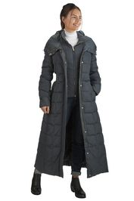

V | 356SD700 | WM DOWN ZIP FRT JKT | BLACK | $350.00 | 120 | 4,556 | 7,328 | 5,492 | 5,027 | 1,770 |  | 12,000 | 67$
V | 356SD700 | WM DOWN ZIP FRT JKT | CARBON | $350.00 | 78 | 771 | 1,197 | 721 | 858 | 150 |  | 3,775
V | 356SD700 | WM DOWN ZIP FRT JKT | CASHEW | $350.00 | 104 | 762 | 1,258 | 881 | 966 | 334 |  | 4,305
V | 356SD700 | WM DOWN ZIP FRT JKT | FOREST | $350.00 | 27 | 709 | 1,275 | 1,292 | 1,392 | 609 |  | 5,304
V | 356SD700 | WM DOWN ZIP FRT JKT | GRAPHITE | $350.00 | 1 | 405 | 568 | 86 | 167 |  |  | 1,227
V | 356SD700 | WM DOWN ZIP FRT JKT | MAUVE | $350.00 |  | 47 | 103 | 9 | 65 |  |  | 224
V | 356SD700 | WM DOWN ZIP FRT JKT | MERLOT | $350.00 | 54 | 895 | 1,069 | 554 | 570 | 85 | 2 | 3,229
V | 356SD700 | WM DOWN ZIP FRT JKT | NAVY | $350.00 | 88 | 1,888 | 3,144 | 2,165 | 2,085 | 583 | 4 | 6,009
356SD700 Summary |  |  |  |  | 472 | 10,033 | 15,942 | 11,200 | 11,130 | 3,531 | 6 | 52,314
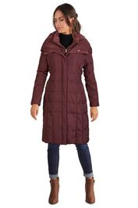

V | 356SD931 | WM DOWN ZIP FRT JKT | BLACK | $325.00 |  | 1,235 | 1,275 | 7 | 457 |  | 33 | 3,007 | 64$
V | 356SD931 | WM DOWN ZIP FRT JKT | CARBON | $325.00 |  | 543 | 1,106 | 899 | 1,048 | 417 | 1 | 4,014
V | 356SD931 | WM DOWN ZIP FRT JKT | CASHEW | $325.00 | 2 | 695 | 1,332 | 1,218 | 1,562 | 733 |  | 5,542
V | 356SD931 | WM DOWN ZIP FRT JKT | FOREST | $325.00 | 1 | 37 | 1 |  | 3 | 3 |  | 45
V | 356SD931 | WM DOWN ZIP FRT JKT | GRAPHITE | $325.00 |  | 1 |  |  | 12 | 11 |  | 24
V | 356SD931 | WM DOWN ZIP FRT JKT | MERLOT | $325.00 | 1 | 122 | 191 |  | 38 |  | 2 | 354
V | 356SD931 | WM DOWN ZIP FRT JKT | NAVY | $325.00 | 3 | 839 | 1,242 | 761 | 1,410 | 472 |  | 4,727
V | 356SD931 | WM DOWN ZIP FRT JKT | MAUVE | $325.00 |  | 8 | 2 |  |  |  | 5 | 15
356SD931 Summary |  |  |  |  | 7 | 3,480 | 5,149 | 2,885 | 4,530 | 1,636 | 41 | 17,728
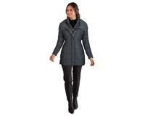

V | 356SP774 | WM PLYR ZIP FRT JK | DARK NAVY | $275.00 |  | 44 | 77 |  | 42 |  |  | 163 | 53$
V | 356SP774 | WM PLYR ZIP FRT JK | BLACK | $275.00 |  | 42 | 26 |  |  |  |  | 68
356SP774 Summary |  |  |  |  |  | 86 | 103 |  | 42 |  |  | 231


V | 357M2576 | ITALIAN LAMB ZIP FRT JK | BLACK | $700.00 |  | 3 | 14 | 8 | 11 |  |  | 36 | 213$
357M2576 Summary |  |  |  |  |  | 3 | 14 | 8 | 11 |  |  | 36


V | 358MD529 | WM DOWN ZIP FRT JKT | BLACK | $500.00 |  | 4 | 9 | 2 | 2 | 3 |  | 20 | 93$
V | 358MD529 | WM DOWN ZIP FRT JKT | SAND | $500.00 |  | 2 | 6 | 4 | 1 | 3 |  | 16
358MD529 Summary |  |  |  |  |  | 6 | 15 | 6 | 3 | 6 |  | 36
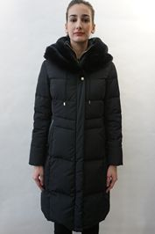

V | 357SD357 | WM DOWN ZIP FRT JKT | BLACK | $375.00 | 27 | 415 | 889 | 767 | 754 | 257 | 4 | 3,113 | 67$
V | 357SD357 | WM DOWN ZIP FRT JKT | CASHEW | $375.00 | 26 | 349 | 689 | 546 | 645 | 255 | 8 | 2,518
V | 357SD357 | WM DOWN ZIP FRT JKT | FOREST | $375.00 | 11 | 427 | 889 | 883 | 859 | 484 | 12 | 3,565
V | 357SD357 | WM DOWN ZIP FRT JKT | MERLOT | $375.00 | 3 | 303 | 568 | 507 | 574 | 258 |  | 2,213
V | 357SD357 | WM DOWN ZIP FRT JKT | NAVY | $375.00 |  | 846 | 1,569 | 1,508 | 1,581 | 756 |  | 6,260
357SD357 Summary |  |  |  |  | 67 | 2,340 | 4,604 | 4,211 | 4,413 | 2,010 | 24 | 17,669
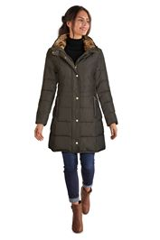

V | 357SD362 | WM DOWN ZIP FRT JKT | CARBON | $375.00 | 1 | 161 | 279 | 283 | 280 | 120 |  | 1,124 | 67$
V | 357SD362 | WM DOWN ZIP FRT JKT | FOREST | $375.00 | 6 | 50 | 55 |  | 19 |  |  | 130
V | 357SD362 | WM DOWN ZIP FRT JKT | MERLOT | $375.00 | 47 | 368 | 690 | 629 | 614 | 313 | 17 | 2,678
V | 357SD362 | WM DOWN ZIP FRT JKT | NAVY | $375.00 | 2 | 195 | 270 | 152 | 186 | 32 |  | 837
V | 357SD362 | WM DOWN ZIP FRT JKT | BLACK | $375.00 | 40 | 58 |  |  |  |  | 3 | 101
357SD362 Summary |  |  |  |  | 96 | 832 | 1,294 | 1,064 | 1,099 | 465 | 20 | 4,870
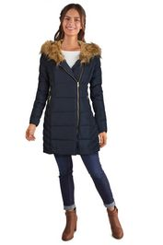

V | 357SD375 | WM DOWN ZIP FRT JKT | BLACK | $250.00 | 16 | 11 | 1 |  | 2 |  | 1 | 31 | 60$
357SD375 Summary |  |  |  |  | 16 | 11 | 1 |  | 2 |  | 1 | 31
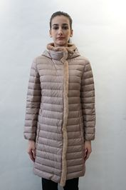

V | 357SD394 | WM DOWN ZIP FRT COAT | BLACK | $375.00 | 4 | 72 | 114 | 64 | 6 |  | 5 | 265 | 67$
V | 357SD394 | WM DOWN ZIP FRT COAT | CARBON | $375.00 | 3 | 76 | 43 |  | 20 |  |  | 142
V | 357SD394 | WM DOWN ZIP FRT COAT | GRAPHITE | $375.00 | 2 | 53 | 66 | 67 | 72 | 2 |  | 262
V | 357SD394 | WM DOWN ZIP FRT COAT | MERLOT | $375.00 | 4 | 190 | 377 | 297 | 318 | 65 | 3 | 1,254
V | 357SD394 | WM DOWN ZIP FRT COAT | NAVY | $375.00 | 1 | 134 | 215 | 116 | 197 | 32 | 1 | 696
357SD394 Summary |  |  |  |  | 14 | 525 | 815 | 544 | 613 | 99 | 9 | 2,619
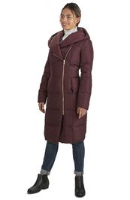

V | 357SD407 | WM DOWN ZIP FRT JKT | BLUSH | $225.00 |  | 2 | 5 | 4 | 2 | 1 |  | 14 | 53$
V | 357SD407 | WM DOWN ZIP FRT JKT | TAN | $225.00 |  | 5 | 4 | 3 | 4 | 4 |  | 20
357SD407 Summary |  |  |  |  |  | 7 | 9 | 7 | 6 | 5 |  | 34
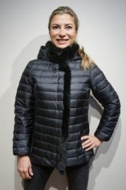

V | 358MD744 | WM DOWN ZIP FRT JKT | ALMOND | $500.00 |  | 5 | 11 | 6 | 12 |  |  | 34 | 153$
358MD744 Summary |  |  |  |  |  | 5 | 11 | 6 | 12 |  |  | 34
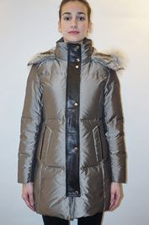

V | 357SP774 | WM PLYR ZIP FRT JK | BLACK | $275.00 | 3 | 3 | 3 | 2 | 1 | 1 |  | 13 | 53$
V | 357SP774 | WM PLYR ZIP FRT JK | EGGPLANT | $275.00 | 1 | 3 | 11 | 7 | 9 | 4 | 5 | 40
V | 357SP774 | WM PLYR ZIP FRT JK | CASHEW | $275.00 |  | 14 | 2 | 1 |  |  |  | 17
V | 357SP774 | WM PLYR ZIP FRT JK | OLIVE | $275.00 |  | 5 | 4 | 5 |  | 1 |  | 15
357SP774 Summary |  |  |  |  | 4 | 25 | 20 | 15 | 10 | 6 | 5 | 85

V | 358M2472 | WM LAMB ZIP FRT JK | BLACK | $500.00 |  | 52 | 100 | 105 | 149 | 69 | 28 | 503 | 133$
V | 358M2472 | WM LAMB ZIP FRT JK | STONE | $500.00 |  | 119 | 216 | 216 | 241 | 123 | 7 | 922
358M2472 Summary |  |  |  |  |  | 171 | 316 | 321 | 390 | 192 | 35 | 1,425
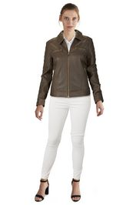

V | 358M2724 | ITALIAN LAMB ZIP FRT JK | BLACK | $700.00 |  | 17 | 32 | 34 | 34 | 15 |  | 132 | 213$
V | 358M2724 | ITALIAN LAMB ZIP FRT JK | CHESTNUT | $700.00 |  | 17 | 32 | 29 | 32 | 17 |  | 127
358M2724 Summary |  |  |  |  |  | 34 | 64 | 63 | 66 | 32 |  | 259


V | 358M2736 | SHEARLING COLLAR LAMB ZIP FRT JK | BLACK | $800.00 |  | 9 | 20 | 20 | 24 | 10 |  | 83 | 213$
358M2736 Summary |  |  |  |  |  | 9 | 20 | 20 | 24 | 10 |  | 83


V | 358M2741 | ITALIAN LAMB ZIP FRT JK | BLACK | $700.00 |  | 25 | 59 | 62 | 26 | 2 |  | 174 | 213$
358M2741 Summary |  |  |  |  |  | 25 | 59 | 62 | 26 | 2 |  | 174


V | 358M6729 | WOMENS SHEARLING COA | CREAM | $1,500.00 |  | 6 | 13 | 7 | 2 |  |  | 28 | 480$
358M6729 Summary |  |  |  |  |  | 6 | 13 | 7 | 2 |  |  | 28
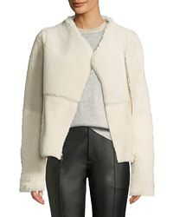

V | 358MD749 | WM DOWN ZIP FRT JKT | BLACK | $500.00 |  | 17 | 12 | 14 | 18 | 9 |  | 70 | 93$
358MD749 Summary |  |  |  |  |  | 17 | 12 | 14 | 18 | 9 |  | 70
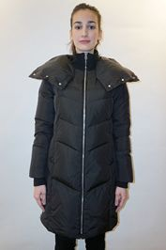

V | 358SP502 | WM WOVEN NYLON JKT | CANYON ROSE | $325.00 |  | 152 | 306 | 308 | 301 | 132 |  | 1,199 | 67$
V | 358SP502 | WM WOVEN NYLON JKT | BLACK | $325.00 |  | 240 | 412 | 300 | 227 |  |  | 1,179
V | 358SP502 | WM WOVEN NYLON JKT | MAUVE | $325.00 |  | 58 | 85 | 49 | 71 |  |  | 263
V | 358SP502 | WM WOVEN NYLON JKT | PINE | $325.00 |  | 94 | 191 | 139 | 61 |  |  | 485
358SP502 Summary |  |  |  |  |  | 544 | 994 | 796 | 660 | 132 |  | 3,126
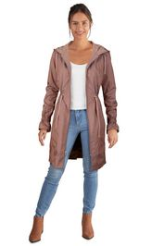

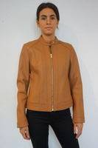
V | 359M2561 | WM LAMB ZIP FRT JK | BLACK | $500.00 |  | 11 | 21 | 27 | 24 | 10 |  | 93 | 133$
V | 359M2561 | WM LAMB ZIP FRT JK | HAZELNUT | $500.00 |  | 2 | 4 | 4 | 2 | 1 |  | 13
359M2561 Summary |  |  |  |  |  | 13 | 25 | 31 | 26 | 11 |  | 106

V | 359M2568 | WM LAMB ZIP FRT JK | CLAY | $500.00 |  | 2 | 11 | 2 | 5 |  |  | 20 | 133$
359M2568 Summary |  |  |  |  |  | 2 | 11 | 2 | 5 |  |  | 20
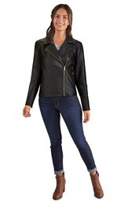

V | 359MD835 | WM DOWN ZIP FRT JKT | BLACK | $375.00 |  | 86 | 212 | 183 | 243 | 86 |  | 810 | 67$
V | 359MD835 | WM DOWN ZIP FRT JKT | GRAPHITE | $375.00 |  | 6 | 28 |  | 60 |  |  | 94
V | 359MD835 | WM DOWN ZIP FRT JKT | ICE BLUE | $375.00 |  | 1 |  |  | 13 |  |  | 14
359MD835 Summary |  |  |  |  |  | 93 | 240 | 183 | 316 | 86 |  | 918
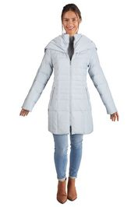

V | 359MD850 | WM DOWN ZIP FRT COAT | NAVY | $400.00 |  | 22 | 41 | 9 | 28 |  |  | 100 | 93$
359MD850 Summary |  |  |  |  |  | 22 | 41 | 9 | 28 |  |  | 100
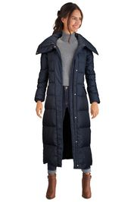

V | 359MD851 | WM DOWN ZIP FRT COAT | BLACK | $400.00 |  | 192 | 369 | 337 | 359 | 172 |  | 1,429 | 93$
V | 359MD851 | WM DOWN ZIP FRT COAT | NAVY | $400.00 |  | 85 | 171 | 159 | 173 | 81 |  | 669
V | 359MD851 | WM DOWN ZIP FRT COAT | SAND | $400.00 |  | 183 | 355 | 341 | 359 | 172 |  | 1,410
V | 359MD851 | WM DOWN ZIP FRT COAT | WHITE | $400.00 |  | 25 | 30 | 10 | 30 | 22 |  | 117
359MD851 Summary |  |  |  |  |  | 485 | 925 | 847 | 921 | 447 |  | 3,625
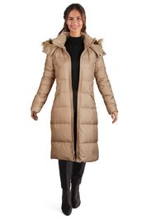

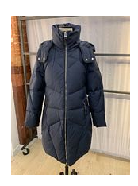

V | 359MD852 | WM DOWN ZIP FRT COAT | BLACK | $500.00 |  | 38 | 82 | 50 | 123 | 27 |  | 320 | 128$
V | 359MD852 | WM DOWN ZIP FRT COAT | NAVY | $500.00 |  | 72 | 163 | 165 | 187 | 73 |  | 660
359MD852 Summary |  |  |  |  |  | 110 | 245 | 215 | 310 | 100 |  | 980

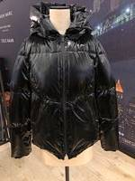
V | 359MD871 | SHINY DOWN ZIP FRT COAT | BLACK | $400.00 |  | 8 | 29 | 28 | 30 | 5 |  | 100 | 80$
V | 359MD871 | SHINY DOWN ZIP FRT COAT | MARINE | $400.00 |  | 32 | 83 | 82 | 92 | 31 |  | 320
359MD871 Summary |  |  |  |  |  | 40 | 112 | 110 | 122 | 36 |  | 420

V | 359SD728 | WM DOWN ZIP FRT JKT | BLACK | $375.00 | 55 | 360 | 993 | 1,356 | 870 | 604 | 338 | 4,576 | 67$
V | 359SD728 | WM DOWN ZIP FRT JKT | GRAPHITE | $375.00 | 26 | 229 | 589 | 880 | 547 | 390 | 212 | 2,873
V | 359SD728 | WM DOWN ZIP FRT JKT | MERLOT | $375.00 |  |  | 13 | 5 |  |  |  | 18
359SD728 Summary |  |  |  |  | 81 | 589 | 1,595 | 2,241 | 1,417 | 994 | 550 | 7,467
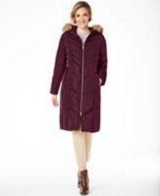

V | 359SD740 | WM DOWN ZIP FRT JKT | BLACK | $350.00 |  | 75 | 128 | 96 | 104 | 39 |  | 442 | 64$
V | 359SD740 | WM DOWN ZIP FRT JKT | IVORY | $350.00 |  | 42 | 79 | 65 | 76 | 31 |  | 293
V | 359SD740 | WM DOWN ZIP FRT JKT | MAUVE | $350.00 |  | 39 | 67 | 60 | 75 | 34 |  | 275
V | 359SD740 | WM DOWN ZIP FRT JKT | NAVY | $350.00 |  | 28 | 51 | 37 | 44 | 19 |  | 179
359SD740 Summary |  |  |  |  |  | 184 | 325 | 258 | 299 | 123 |  | 1,189
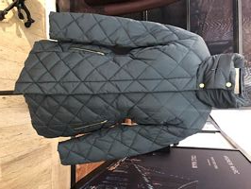

V | 359SD745 | WM DOWN ZIP FRT JKT | BLACK | $350.00 | 4 | 42 | 108 | 131 | 94 | 80 | 57 | 516 | 64$
V | 359SD745 | WM DOWN ZIP FRT JKT | FOREST | $350.00 |  | 7 | 35 | 55 | 48 | 31 | 12 | 188
V | 359SD745 | WM DOWN ZIP FRT JKT | MERLOT | $350.00 | 5 | 11 | 23 | 21 | 23 | 20 | 13 | 116
V | 359SD745 | WM DOWN ZIP FRT JKT | NAVY | $350.00 | 7 | 113 | 245 | 386 | 205 | 157 | 98 | 1,211
359SD745 Summary |  |  |  |  | 16 | 173 | 411 | 593 | 370 | 288 | 180 | 2,031
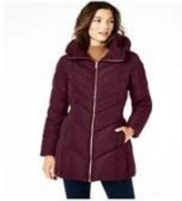

V | 359SP671 | WM POLY JACKET/SHERPA LINED | BLACK | $300.00 |  | 21 | 6 | 1 | 2 | 1 |  | 31 | 60$
V | 359SP671 | WM POLY JACKET/SHERPA LINED | CASHEW | $300.00 |  | 110 | 246 | 186 | 188 | 4 |  | 734
359SP671 Summary |  |  |  |  |  | 131 | 252 | 187 | 190 | 5 |  | 765
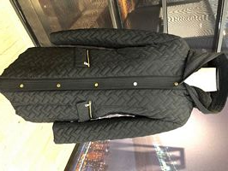

V | 359SP673 | WM POLY JACKET | CASHEW | $300.00 | 2 | 1 | 13 | 6 | 7 | 3 | 5 | 37 | 60$
359SP673 Summary |  |  |  |  | 2 | 1 | 13 | 6 | 7 | 3 | 5 | 37
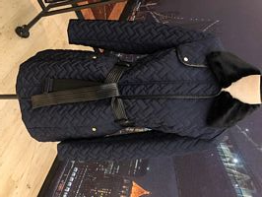

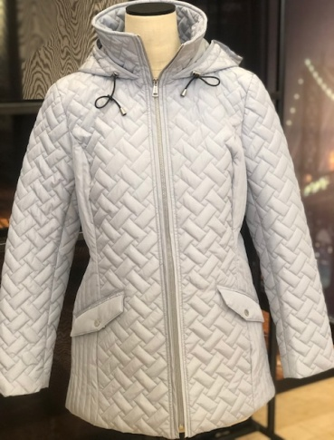

V | 359SP674 | WM POLY JACKET | BLACK | $250.00 | 7 | 74 | 47 | 19 | 2 | 2 | 60 | 211 | 53$
V | 359SP674 | WM POLY JACKET | DARK NAVY | $250.00 |  | 4 | 8 |  | 1 |  |  | 13
V | 359SP674 | WM POLY JACKET | SKY | $250.00 |  | 8 | 16 | 14 | 16 | 6 |  | 60
359SP674 Summary |  |  |  |  | 7 | 86 | 71 | 33 | 19 | 8 | 60 | 284

V | 357M2414 | WM LAMB ZIP FRT COAT | BLACK | $550.00 |  | 163 | 224 | 114 |  | 2 | 2 | 505 | 160$
357M2414 Summary |  |  |  |  |  | 163 | 224 | 114 |  | 2 | 2 | 505
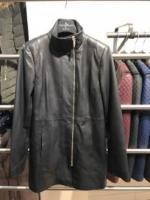

2021-01-04 11:07:24

